3. FD
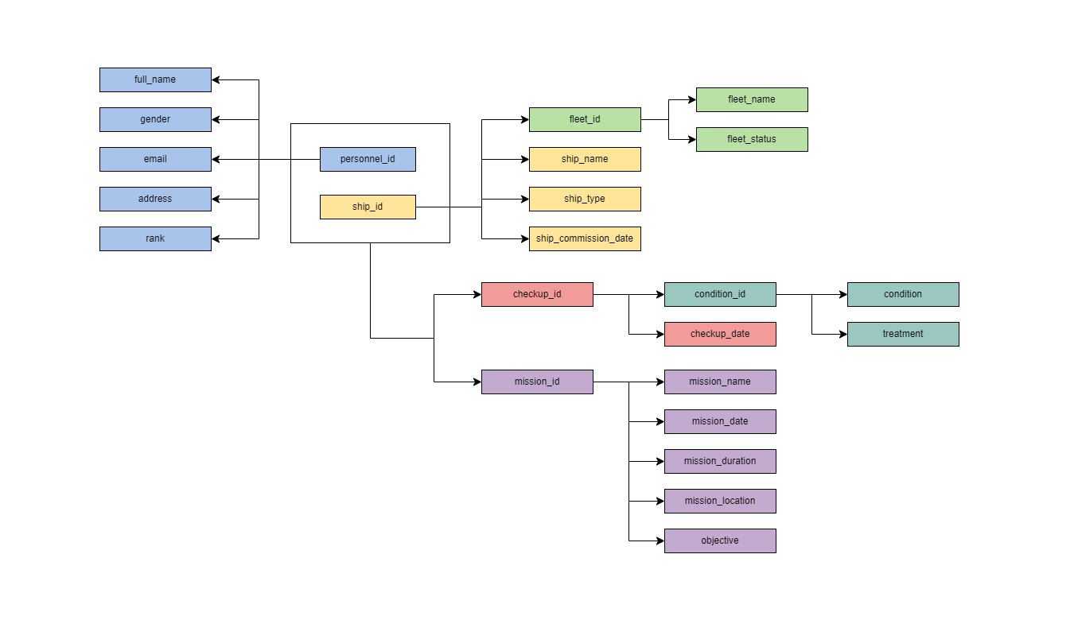
FD | Buat Notasi FD untuk FD Parsial, Transitif & Full
 | Buat Diagram FD

 | Primary Key di 1NF :
 |  | personnel_id
 |  | ship_id

 | Partial Dependency
 |  | personnel_id --> {full_name, gender, email, address, rank}
 |  | ship_id --> {ship_name, ship_type, ship_commission_date, fleet_id}

 | Full Depedency
 |  | {personnel_id, ship_id} --> {mission_id, checkup_id}

 | Transitive Dependency
 |  | ship_id --> fleet_id --> {fleet_name, fleet_status}
 |  | {personnel_id, ship_id} --> mission_id --> {mission_name, mission_date, mission_duration, mission_location, objective}
 |  | {personnel_id, ship_id} --> checkup_id --> {checkup_date, condition_id}
 |  | checkup_id --> condition_id --> {condition, treatment}

6. ERD
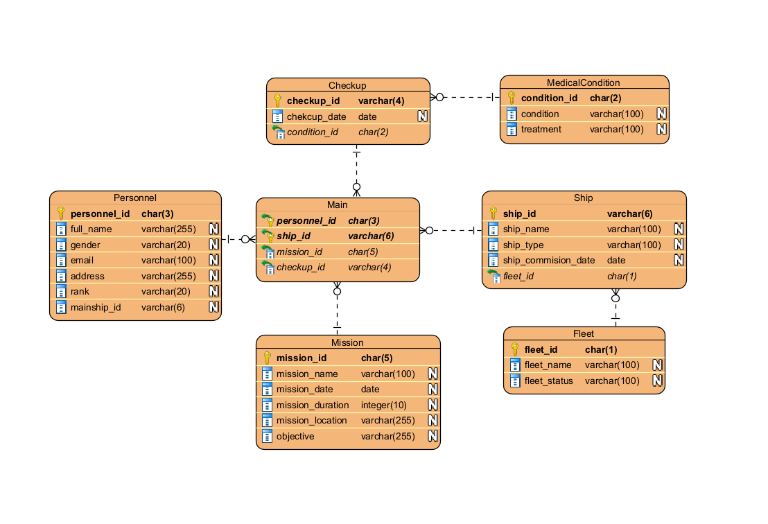
ERD | Buat ERD menggunakan Notasi Chen atau Crows Foot

